leukaemia_all_i17
Acute Lymphoblastic Leukaemia (C91.0): 2015-2017

Average Number of New Cases Per Year and Age-Specific Incidence Rates per 100,000 Population, UK

Age Range | Female Cases | Male Cases | Female Rates | Male Rates
0 to 04 | 108 | 127 | 5.5 | 6.2
05 to 09 | 50 | 67 | 2.5 | 3.2
10 to 14 | 34 | 39 | 1.9 | 2.1
15 to 19 | 19 | 41 | 1.0 | 2.1
20 to 24 | 9 | 19 | 0.4 | 0.9
25 to 29 | 9 | 20 | 0.4 | 0.9
30 to 34 | 6 | 17 | 0.3 | 0.8
35 to 39 | 5 | 12 | 0.3 | 0.6
40 to 44 | 9 | 15 | 0.4 | 0.7
45 to 49 | 8 | 13 | 0.3 | 0.6
50 to 54 | 11 | 13 | 0.5 | 0.6
55 to 59 | 12 | 12 | 0.6 | 0.6
60 to 64 | 15 | 12 | 0.8 | 0.7
65 to 69 | 15 | 16 | 0.8 | 0.9
70 to 74 | 11 | 12 | 0.7 | 0.9
75 to 79 | 8 | 14 | 0.7 | 1.4
80 to 84 | 4 | 5 | 0.5 | 0.7
85 to 89 | 4 | 5 | 0.7 | 1.2
90+ | 4 | 3 | 0.9 | 1.8
All Ages | 342 | 461 | 1.0 | 1.3

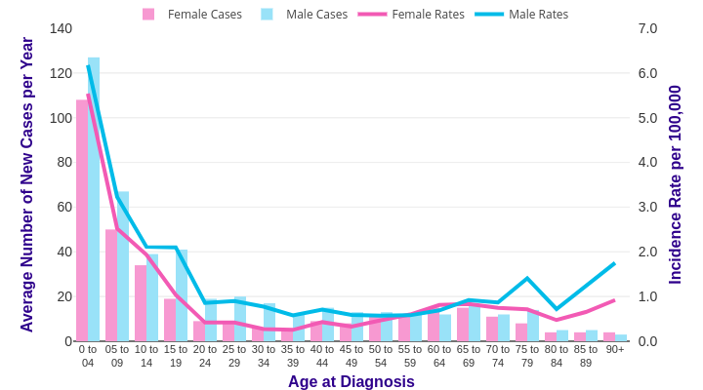

Source: cruk.org/cancerstats

You are welcome to reuse this Cancer Research UK statistics content for your own work.
Credit us as authors by referencing Cancer Research UK as the source.
Suggested style: Cancer Research UK, full URL of the page, Accessed [month] [year].

